Ref
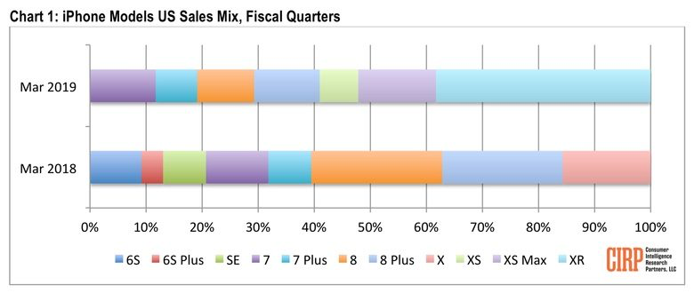

https://www.cultofmac.com/621524/iphone-xr-apple-us-sales-q1-2019/

